Sheet1
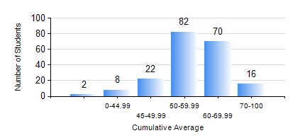
 |  |  | KWAME NKRUMAH UNIVERSITY OF SCIENCE AND TECHNOLOGY, KUMASI Department of Geological Engineering

 |  |  | BSC. GEOLOGICAL ENG.

 |  |  | COMPREHENSIVE RECORD OF EXAMINATION RESULTS

 |  |  | RESULTS OF YEAR 3 FIRST SEMESTER, 2022/2023 ACADEMIC YEAR

 | Sn | Course Code |  | Course Name | Credit Hours | Min. Mark | Max. Mark | Avg. Mark | Std. Dev. | No. Passed | No. Trailed | No. (Df) | No. (I) | No. (I*) | No. Tagged(I,I*,Df) | Total
 | 0. |  |  |  |  |  |  | 0 | 0 | 0 | 0 | 0 | 0 | 0 | 0 | 3
 | 1. | CE 359 |  | SOIL MECHANICS | 3 | 0 | 84 | 52 | 14.18 | 165 | 32 | 0 | 0 | 0 | 0 | 197
 | 2. | GED 351 |  | PETROLOGY | 3 | 14 | 79 | 58 | 11.28 | 183 | 14 | 0 | 0 | 0 | 0 | 197
 | 3. | GED 357 |  | BASIC HYDROLOGY | 2 | 0 | 78 | 54 | 12.09 | 171 | 24 | 2 | 0 | 0 | 2 | 197
 | 4. | GED 365 |  | GEOLOGICAL FIELD MAPPPING | 3 | 12 | 80 | 63 | 10.64 | 182 | 15 | 0 | 0 | 0 | 0 | 197
 | 5. | GED 369 |  | PHOTOGEOLOGY AND REMOTE SENSING | 3 | 6 | 90 | 63 | 13.1 | 182 | 15 | 0 | 0 | 0 | 0 | 197
 | 6. | GED 375 |  | PRINCIPLES OF ENGINEERING GEOLOGY | 2 | 13 | 94 | 62 | 15.08 | 177 | 20 | 0 | 0 | 0 | 0 | 197
 | 7. | MATH 351 |  | NUMERICAL ANALYSIS | 2 | 0 | 80 | 50 | 12.25 | 156 | 41 | 0 | 0 | 0 | 0 | 197
 | 8. | STAT 253 |  | PROBABILITY AND STATISTICS | 2 | 19 | 83 | 60 | 10.06 | 186 | 11 | 0 | 0 | 0 | 0 | 197

